MAX problem
Solve Linear Program, Max problem (recipe settings) |  |  |  |  |  |  | Run Macro | Solve Linear Program, Max problem (Result)

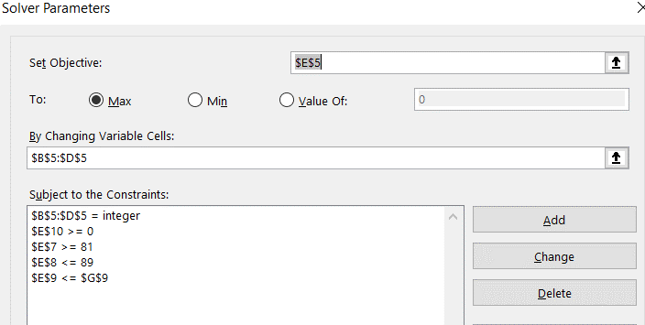
 | X | Y | Z | MAX |  |  |  |  | X | Y | Z | MAX
Solution |  |  |  | 0 |  |  |  | Solution | 42 | 47 | 60 | 361.1
Obj.Coeff | 2.9 | 1.9 | 2.5 |  |  |  |  | Obj.Coeff | 2.9 | 1.9 | 2.5
Contraint 1 |  | 3 | -1 | 0 | >= | 81 |  | Contraint 1 |  | 3 | -1 | 81 | >= | 81
Contraint 2 | 1 | 1 |  | 0 | <= | 89 |  | Contraint 2 | 1 | 1 |  | 89 | <= | 89
Contraint 3 | 3 | 2 | 3 | 0 | <= | 400 |  | Contraint 3 | 3 | 2 | 3 | 400 | <= | 400
Contraint 4 | 1 | 1 | 1 | 0 | >= | 0 |  | Contraint 4 | 1 | 1 | 1 | 149 | >= | 0

Solve Linear Program, Max problem (Require) |  |  |  |  |  |  |  | Note: | Reset all if you want to run macro again
MAX 2.9*X + 1.9*Y + 2.5*Z =? S.t 3*Y - Z >= 81 (Constrain1) X + Y <= 89 (Constrain2) 3*X + 2*Y +3*Z <= 400 (Constrain3) X,Y,Z >=0

AOL
Paths in AQL
 | Recipe settings |  |  |  |  |  |  |  | Result after run macro
1) Find path of longest length between a start and target vertex( From ST to DB) |  |  |  |  |  |  |  |  | 1) Find path of longest length between a start and target vertex( From ST to DB)
2) Find path of shortest length between a start and target vertex( From ST to DB) | From | To | Distance | On Route | Node | Net Flow |  | Suplly/Demand
 | ST | A | 3 | 0 | ST | 0 | = | 1 |  | Total Distance | Path
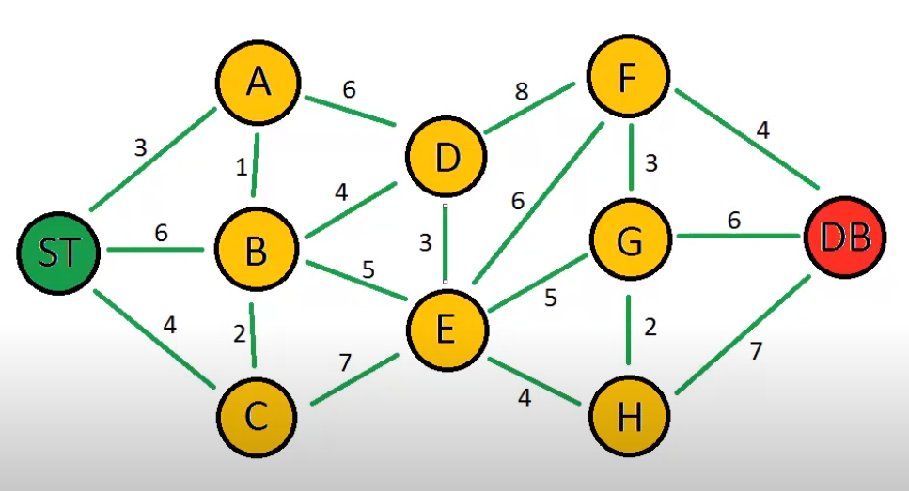
 | ST | B | 6 | 0 | A | 0 | = | 0 |  | 21 | ST, A, D, F, DB
 | ST | C | 4 | 0 | B | 0 | = | 0
 | A | B | 1 | 0 | C | 0 | = | 0
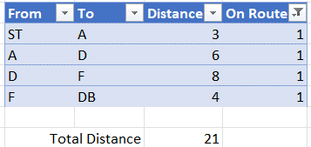
 | A | D | 6 | 0 | D | 0 | = | 0
 | B | A | 1 | 0 | E | 0 | = | 0
 | B | C | 2 | 0 | F | 0 | = | 0
 | B | D | 4 | 0 | G | 0 | = | 0
 | B | E | 5 | 0 | H | 0 | = | 0
 | C | B | 2 | 0 | DB | 0 | = | -1
 | C | E | 7 | 0
 | D | E | 3 | 0
 | D | F | 8 | 0
 | E | D | 3 | 0
 | E | F | 6 | 0
 | E | G | 5 | 0
 | E | H | 4 | 0
 | F | G | 3 | 0 |  |  |  |  | 2) Find path of shortest length between a start and target vertex( From ST to DB)
 | F | DB | 3 | 0 |  |  |  |  |  | Total Distance | Path
 | G | F | 2 | 0 |  |  |  |  |  | 19 | ST, A, B, E, F, DB
 | G | H | 2 | 0
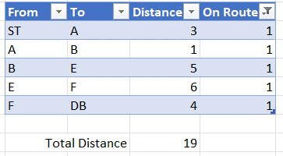
 | G | DB | 6 | 0
 | H | G | 2 | 0
 | H | DB | 7 | 0

 |  |  | Total Distance | 0

